Notes
Notes:
Border Bridges where WV has 0% responsibility only report an abbreviated record to FHWA per SNBI.
00000000002A157
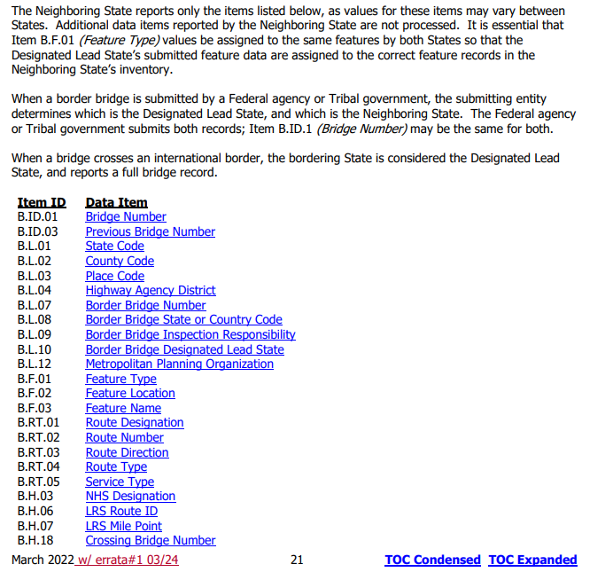
00000000002A158
00000000002A182
00000000012A111
00000000012A112
00000000014A134
00000000029A083
00000000029A084
00000000029A085
00000000029A086
00000000029A087
00000000030A183
00000000030A277
00000000030A278
00000000030A279
00000000032A092
00000000033A066
00000000033A067
00000000050A170
00000000050A172

2026
Total Bridges in NBI = 7236 (20 are border bridges with only an abbreviated record)
Total NHS Bridges = 1290 (5 are border bridges with only an abbreviated record)

